Instructions
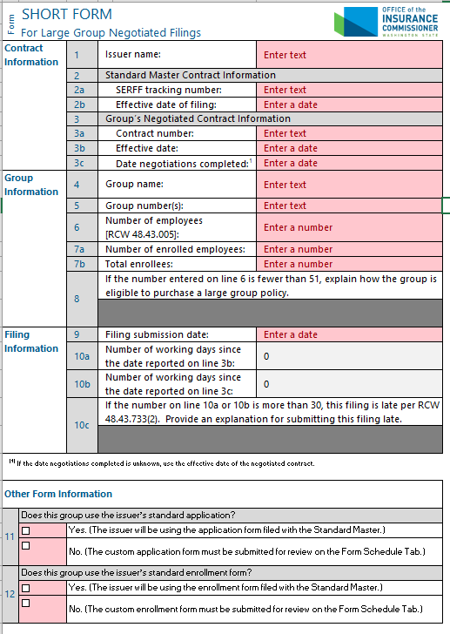
Picture 1
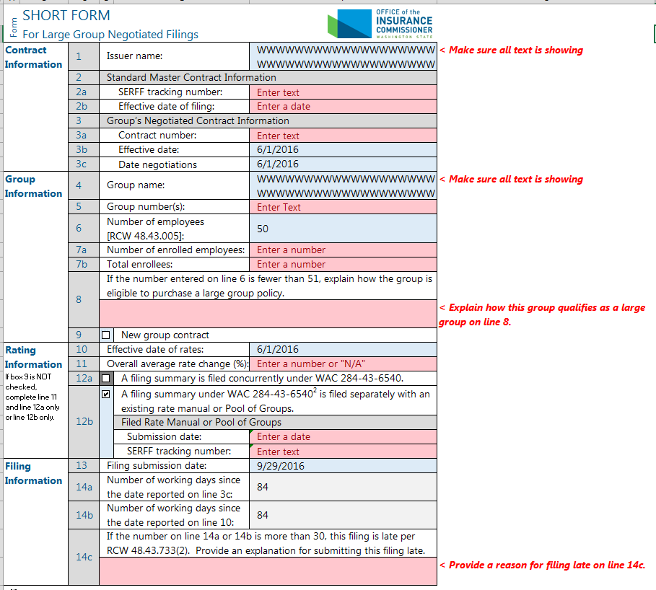
Picture 3
Instructions Page
These instructions are meant to help you use the SHORT FORM document in Excel format on the Form and Form Deviations sheets of this workbook. The Excel version is provided to improve filing efficiency. The filer may choose to use the Excel or Word versions of the document to prepare a filing; the final product of either format should be the same. Only a PDF version of the documents (excluding these instructions) is to be submitted in your SERFF filing.

Workbook Locations
You are currently on the Instructions sheet of the workbook as shown in Picture 2 to the right.
The Short Form document is divided into the Form sheet and the Form Deviations sheet.

Form Sheet
The Excel version of the Short Form includes some special formatting and guidance to help the filer submit the document correctly (these features are not available in the Word version due to software limitations).
Cell Colors
The Form sheet starts as shown in Picture 1 to the right.
Required fields (cells) are highlighted red.
After you populate a required cell or check a box in a required cell, the cell will change to blue. Cells that may not require an entry are also highlighted blue (such as the Form Deviations section of the document).
Cells that do not require an entry are greyed out. Greyed cells depend on the entries in other cells. As you fill out the document, cells will change color to signal when an entry is required based on the content you enter. For examples, see line 8 and line 14c in pictures 1 and 3 to the right.
Conditional Warnings
Column G provides warnings based on your entries as shown in picture 3 to the right. These warning are intended to help you file the document correctly the first time.
Illustration 4
Before row height adjustment:
After row height adjustment:
One warning occurs when your entry may require more lines of text than is provided by default. The warning states "< Make sure all text is showing." If you do not ensure all of the content in your entry is showing, it may not appear in the PDF submitted in your filing (see Illustration 4 to the right). If you need more space for an entry, change the row height of the row that contains the cell (auto size the row height by double-left clicking between the row numbers on the left side of the Excel application).
Picture 2
Preparing for submission/ Creating a PDF
After you complete the Form sheet and enter your form deviations on the Form Deviations sheet, you must create a PDF of the Form and Form Deviations sheets to submit in your filing. The PDF you submit must not include these instructions.
How you create PDFs in Excel may depend on other software available to you.
Here is one way to create a PDF in Excel (see Illustration 5 to the right for screenshots): (1) Select both the Form and Form Deviations sheets at the bottom of the Excel window; (2) On the File tab, click Export and select Create PDF/XPS Document; (3) Select a file location and file name in the pop-up window, then click publish and find the file at that location.
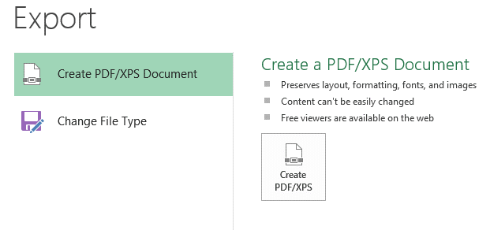
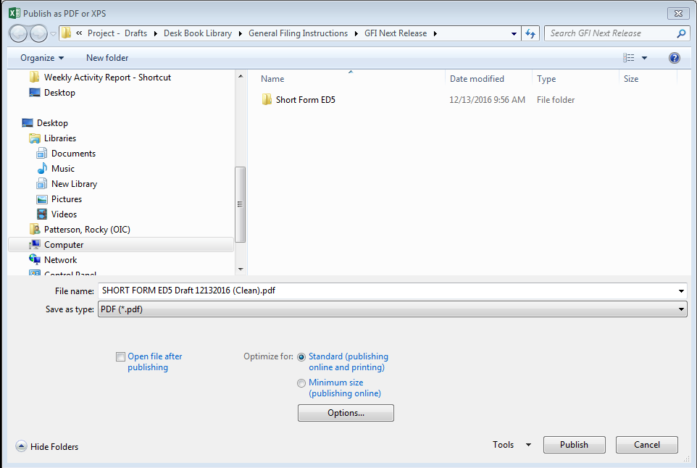
Illustration 5
1. Select both the Form and Form Deviations Sheets at the bottom of the Excel window;
2. On the File tab, click Export and select Create PDF/XPS Document;
3. Select a file location and file name in the pop-up window, then click publish and
find the file at that location.

